instructions
Instructions:
--> You have 90 minutes to complete both the Excel portion (question 1 and 2, found in this file) and the Stata portion (question 3, 4, and 5, found in the do-file "test_stata") of the test.
--> You can use the internet, but it is not allowed to contact anyone for assistance.
--> Make sure to save the Excel file, Stata do-file, and datasets with your name in the title.
--> Please peruse the variable description below before starting the test.
Good luck!
__________________________________________________________________________________________________________________________________
Variables:
Identifier variables
country: name of the country
ifs: unique 3-character numerical identifier for each country
iso3: unique 3-character string identifier for each country
iso2: unique 2-character string identifier for each country
income_group: level of income in which country falls (AE: Advanced Economies; EM: Emerging Markets; LIC: Low-Income Countries)
dept: IMF department in which country falls (AFR: African; APD: Asia/Pacific; EUR: European; MCD: Middle East & Central Asia; WHD: Western Hemisphere)
year: year to which data applies
Economic variables
GGE_A: general government expenses, in billions of Local Currency Units (LCU)
NGDP_RPCH_A: real GDP growth, in percent
NGDP_A: nominal GDP, in billions of Local Currency Units (LCU)
PPPGDP_A: nominal GDP in Purchasing Power Parity (PPP) dollars
Instructions:
--> There are two questions in this portion of the assignement in sheet questions_1 and questions_2. Please read instructions carefully in each of those sheet to complete the task
--> You can use the internet, but it is not allowed to contact anyone for assistance.
--> Make sure to save the Excel file as [Your Name]_test_excel.xlsx.
--> Please peruse the variable description below before starting the test.
__________________________________________________________________________________________________________________________________
Variables:
Identifier variables
country: name of the country
ifs: unique 3-character numerical identifier for each country
iso3: unique 3-character string identifier for each country
iso2: unique 2-character string identifier for each country
income_group: level of income in which country falls (AE: Advanced Economies; EM: Emerging Markets; LIC: Low-Income Countries)
dept: IMF department in which country falls (AFR: African; APD: Asia/Pacific; EUR: European; MCD: Middle East & Central Asia; WHD: Western Hemisphere)
year: year to which data applies
Economic variables
GGE_A: general government expenses, in billions of Local Currency Units (LCU)
NGDP_RPCH_A: real GDP growth, in percent
NGDP_A: nominal GDP, in billions of Local Currency Units (LCU)
PPPGDP_A: nominal GDP in Purchasing Power Parity (PPP) dollars

question_1
Question 1:
A. Calculate the averages and medians of Real GDP Growth for the year 2019 for each of the three groups, Advanced Economies (AEs), Emerging Markets (EMs), and Low-Income Countries (LICs) in the table below. The growth data can be found in the tab "GDP", column H while the income group classifications can be found in column E.
B. Calculate PPPGDP-weighted* averages of Real GDP Growth for the year 2019, for Advanced Economies (AEs), Emerging Markets (EMs), and Low-Income Countries (LICs) in the table below. The growth data can be found in the tab "GDP", column H, the PPPGDP weights in column K, while the income group classifications can be found in column E.
*the PPPGDP-weighted average is a weighted average where the Nominal GDP in Purchasing Power Partiy numbers comprise the weights.
Bonus: Display the aggregations with one decimal.

 | NGDP_RPCH_A
2019 | Average | Median | Weighted Average
AE | 3.4 | 3.4 | 3.7
EM | 3.3 | 3.2 | 3.6
LIC | 3.3 | 3.2 | 3.5

question_2
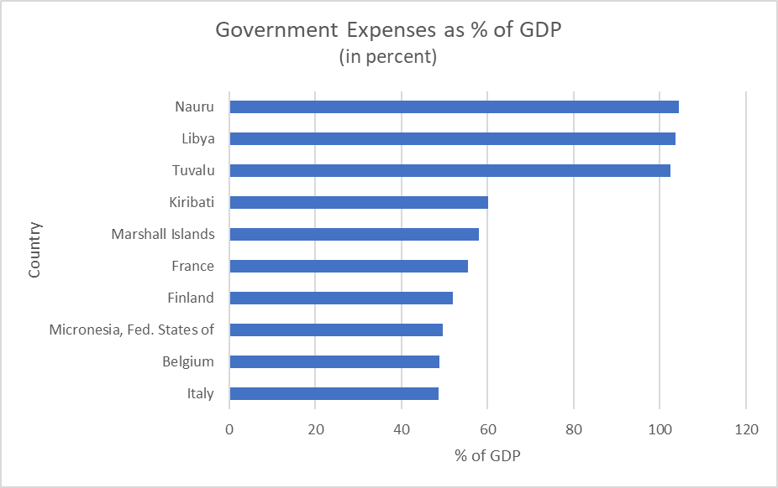
Question 2:
A. In the tab "GDP", add an additional column called "GGE_A". Populate this column with the values from tab "GGE", column H, using some kind of match function.
B. In the tab "GDP", add another column called "GGE_NGDP_A". Populate this column with the Government Expenses (GGE) as % of GDP for each country/year.
C. In this tab, create a horizontal bar chart that displays the top 10 countries with the highest level of government expenses as % of GDP (GGE_NGDP_A) in 2019. Order the bars based on the size of government expenses as % of GDP. Ensure to provide the chart with the proper title and axis labels. Your chart should look like the reference chart given below.
IMPORTANT: When you are done with these exercises, please save the Excel file as "test_[your name]". Then, turn to the Stata do-file "test_stata.do" for the remainder of the test.

GDP
country | ifs | iso3 | iso2 | income_group | dept | year | NGDP_RPCH_A | NGDP_A | PPPGDP_A | PPPGDP Weights | GGE_A | GGE_NGDP_A
Greece | 174 | GRC | GR | AE | EUR | 2019 | 1.8 | 189.4 | 323.5 | 0.00565 | 106.9 | 56.4%
Government Expenses as % of GDP in 2019 (In percent)
Greece | 56.4%
Libya | 51.1%
France | 47.4%
Italy | 45.4%
Tuvalu | 43.8%
Finland | 43.4%
Denmark | 42.8%
Portugal | 41.3%
Belgium | 40.3%
Spain | 39.4%
Libya | 672 | LBY | LY | EM | MCD | 2019 | -19.1 | 45.7 | 61.5 | 0.00079 | 23.4 | 51.1%
France | 132 | FRA | FR | AE | EUR | 2019 | 1.3 | 2418.1 | 3062.0 | 0.05351 | 1145.4 | 47.4%
Italy | 136 | ITA | IT | AE | EUR | 2019 | 0.2 | 1779.1 | 2451.9 | 0.04285 | 808.4 | 45.4%
Tuvalu | 869 | TUV | TV | EM | APD | 2019 | 4.1 | 0.1 | 0.0 | 0.00000 | 0.0 | 43.8%
Finland | 172 | FIN | FI | AE | EUR | 2019 | 1.5 | 242.5 | 267.0 | 0.00467 | 105.2 | 43.4%
Denmark | 128 | DNK | DK | AE | EUR | 2019 | 1.7 | 2297.7 | 312.7 | 0.00547 | 982.9 | 42.8%
Portugal | 182 | PRT | PT | AE | EUR | 2019 | 1.9 | 210.9 | 345.4 | 0.00604 | 87.1 | 41.3%
Belgium | 124 | BEL | BE | AE | EUR | 2019 | 1.3 | 472.2 | 572.7 | 0.01001 | 190.4 | 40.3%
Spain | 184 | ESP | ES | AE | EUR | 2019 | 2.0 | 1242.8 | 1923.2 | 0.03361 | 490.0 | 39.4%
Kiribati | 826 | KIR | KI | LIC | APD | 2019 | 2.3 | 0.3 | 0.3 | 0.00004 | 0.1 | 38.1%
Marshall Islands | 867 | MHL | MH | EM | APD | 2019 | 2.4 | 0.2 | 0.2 | 0.00000 | 0.1 | 37.8%
Croatia | 960 | HRV | HR | EM | EUR | 2019 | 3.0 | 400.7 | 112.5 | 0.00144 | 150.1 | 37.5%
Austria | 122 | AUT | AT | AE | EUR | 2019 | 1.5 | 398.9 | 476.3 | 0.00832 | 148.4 | 37.2%
Netherlands | 138 | NLD | NL | AE | EUR | 2019 | 1.8 | 803.8 | 1004.9 | 0.01756 | 294.4 | 36.6%
Cyprus | 423 | CYP | CY | AE | EUR | 2019 | 3.1 | 22.0 | 36.9 | 0.00064 | 8.0 | 36.4%
Micronesia, Fed. States of | 868 | FSM | FM | EM | APD | 2019 | 1.4 | 0.4 | 0.4 | 0.00000 | 0.1 | 35.7%
Kuwait | 443 | KWT | KW | EM | MCD | 2019 | 0.5 | 41.0 | 311.7 | 0.00399 | 14.6 | 35.6%
Germany | 134 | DEU | DE | AE | EUR | 2019 | 0.5 | 3443.0 | 4441.9 | 0.07762 | 1220.0 | 35.4%
Sweden | 144 | SWE | SE | AE | EUR | 2019 | 0.9 | 4994.6 | 563.7 | 0.00985 | 1761.1 | 35.3%
Slovenia | 961 | SVN | SI | AE | EUR | 2019 | 2.9 | 48.2 | 79.5 | 0.00139 | 16.9 | 35.1%
Japan | 158 | JPN | JP | AE | APD | 2019 | 1.0 | 556144.2 | 5733.6 | 0.10020 | 191700.0 | 34.5%
Eritrea | 643 | ERI | ER | LIC | AFR | 2019 | 3.1 | 31.8 | 6.5 | 0.00105 | 10.9 | 34.2%
Norway | 142 | NOR | NO | AE | EUR | 2019 | 1.9 | 3656.6 | 410.6 | 0.00717 | 1174.2 | 32.1%
Brunei Darussalam | 516 | BRN | BN | EM | APD | 2019 | 1.8 | 16.9 | 35.9 | 0.00046 | 5.3 | 31.5%
United Kingdom | 112 | GBR | GB | AE | EUR | 2019 | 1.3 | 2210.4 | 3158.5 | 0.05520 | 692.8 | 31.3%
Bosnia and Herzegovina | 963 | BIH | BA | EM | EUR | 2019 | 2.8 | 34.9 | 49.8 | 0.00064 | 10.9 | 31.3%
Canada | 156 | CAN | CA | AE | WHD | 2019 | 1.5 | 2297.5 | 1899.2 | 0.03319 | 716.5 | 31.2%
Montenegro, Rep. of | 943 | MNE | ME | EM | EUR | 2019 | 3.0 | 4.8 | 12.5 | 0.00016 | 1.5 | 30.7%
Hungary | 944 | HUN | HU | EM | EUR | 2019 | 4.6 | 45328.4 | 332.1 | 0.00425 | 13055.9 | 28.8%
New Zealand | 196 | NZL | NZ | AE | APD | 2019 | 2.5 | 304.9 | 206.1 | 0.00360 | 87.3 | 28.6%
Slovak Republic | 936 | SVK | SK | AE | EUR | 2019 | 2.4 | 94.2 | 198.7 | 0.00347 | 26.8 | 28.5%
Luxembourg | 137 | LUX | LU | AE | EUR | 2019 | 2.6 | 61.6 | 66.8 | 0.00117 | 17.4 | 28.3%
Barbados | 316 | BRB | BB | EM | WHD | 2019 | -0.1 | 10.4 | 5.4 | 0.00007 | 2.9 | 28.2%
Switzerland | 146 | CHE | CH | AE | EUR | 2019 | 0.8 | 707.4 | 565.4 | 0.00988 | 196.6 | 27.8%
Czech Republic | 935 | CZE | CZ | AE | EUR | 2019 | 2.5 | 5604.8 | 413.0 | 0.00722 | 1554.9 | 27.7%
United States | 111 | USA | US | AE | WHD | 2019 | 2.3 | 21424.8 | 21424.8 | 0.37441 | 5878.3 | 27.4%
Israel | 436 | ISR | IL | AE | EUR | 2019 | 3.1 | 1390.6 | 354.1 | 0.00619 | 376.5 | 27.1%
Iceland | 176 | ISL | IS | AE | EUR | 2019 | 0.8 | 2930.9 | 20.0 | 0.00035 | 779.0 | 26.6%
Poland | 964 | POL | PL | EM | EUR | 2019 | 4.0 | 2258.2 | 1286.7 | 0.01645 | 598.5 | 26.5%
Lithuania | 946 | LTU | LT | AE | EUR | 2019 | 3.8 | 48.0 | 102.9 | 0.00180 | 12.6 | 26.3%
Trinidad and Tobago | 369 | TTO | TT | EM | WHD | 2019 | 0.0 | 161.6 | 45.0 | 0.00057 | 41.8 | 25.9%
Serbia | 942 | SRB | RS | EM | EUR | 2019 | 3.5 | 5407.7 | 129.2 | 0.00165 | 1390.0 | 25.7%
Australia | 193 | AUS | AU | AE | APD | 2019 | 1.7 | 1984.0 | 1364.5 | 0.02385 | 505.0 | 25.5%
Timor-Leste, Dem. Rep. of | 537 | TLS | TL | LIC | APD | 2019 | 4.5 | 2.9 | 6.8 | 0.00110 | 0.7 | 25.3%
Iraq | 433 | IRQ | IQ | EM | MCD | 2019 | 3.4 | 265313.8 | 704.8 | 0.00901 | 66845.1 | 25.2%
Oman | 449 | OMN | OM | EM | MCD | 2019 | 0.1 | 29.4 | 203.9 | 0.00261 | 7.4 | 25.1%
United Arab Emirates | 466 | ARE | AE | EM | MCD | 2019 | 1.6 | 1490.2 | 746.1 | 0.00954 | 355.7 | 23.9%
Aruba | 314 | ABW | AW | EM | WHD | 2019 | 0.7 | 5.2 | 4.5 | 0.00006 | 1.2 | 23.5%
Ireland | 178 | IRL | IE | AE | EUR | 2019 | 6.0 | 348.7 | 419.8 | 0.00734 | 75.5 | 21.6%
St. Kitts and Nevis | 361 | KNA | KN | EM | WHD | 2019 | 3.5 | 2.8 | 1.7 | 0.00002 | 0.6 | 21.5%
St. Vincent and the Grenadines | 364 | VCT | VC | EM | WHD | 2019 | 2.3 | 2.3 | 1.4 | 0.00002 | 0.5 | 21.5%
...

